Sheet1
Storage Projects | Capacity of Projects (MWp) | Surface area of reservoir(km2) | Potential capacity(MWp) based on 40% implementation surface area | Annual energy generation of FPV (in GWh) | Estimated volume of water prevented from evaporation(m3/year)

Kulekhani | 60 | 2.2 | 176.87 | 398 | 1540000 | s
Uttar Ganga | 300 | 12.46 | 1041.23 | 2384 | 8971200
Tanahu Seti | 140 | 7.26 | 577.117 | 1292 | 5227200
Dudh koshi | 300 | 11.1 | 923.85 | 2088 | 7992000
BudiGandaki | 1200 | 49.8 | 4908.72 | 9333 | 35856000
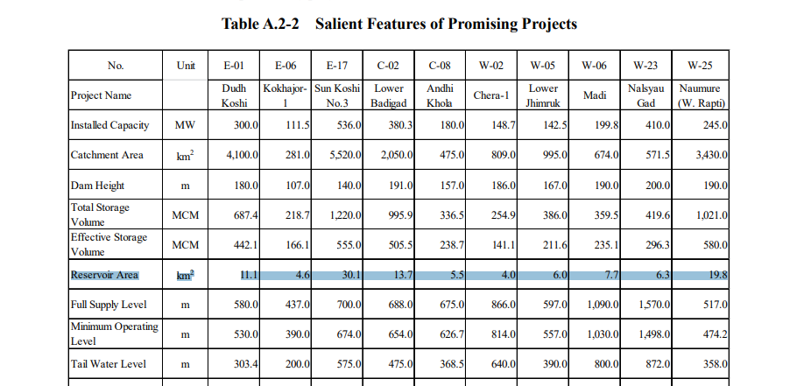
West Seti | 750 | 20.6 | 1645.92 | 3720 | 14832000
Tamor | 692 | 40.66 | 3287.34 | 7417 | 29275200
Sunkoshi 3 | 536 | 30.1 | 2423.23 | 5476 | 21672000
Khimti Those Siwalaya Storage Hydroelectric Project | 500 | - | - | - | -
Langtang | 300 | - | - | - | -
Naumure | 245 | 19.8 | 1565.46 | 3446 | 14256000
Nalseu Gad | 410 | 6.3 | 521.28 | 1179 | 4536000
Total | 5433 |  | 17071.02 | 36733 | 144157600

